ROAD BARRIER
 | PRICE LIST

ROAD BERRIERS

S.NO | ITEM NAME | PICTURES | M.NAME | PACKING | PRICE

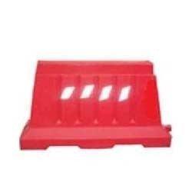
1 | ROAD BERRIERS |  | UB-101
 | LENGTH -1150MM
 | HEIGHT - 1000MM
 | WIDTH -600MM
 | WATER CAPCITY -65 LTR.

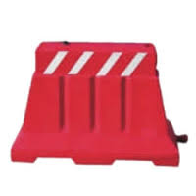
2 | UB -2 |  | UB-102
 | LENGTH -1150 MM
 | HEIGHT -800 MM
 | WIDTH -500 MM
 | WATER CAPACITY -22 LTR.

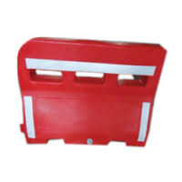
3 | UB - 2 SMALL |  | UB-103
 | LENGTH -1030 MM
 | HEIGHT -770 MM
 | WIDTH - 440 MM
 | WATER - CAPACITY -22 LTR.

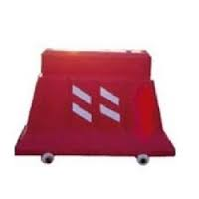
4 | UB -4 WHEEL |  | UB-104
 | HEIGHT - 750 MM
 | BASE DIA -200 MM
 | POL DIA - 80 MM
 | MATERIAL -PU/PVC

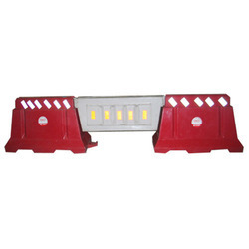
5 | UB -3 |  | UB-105
 | LENGTH - 1100 MM
 | HEIGHT - 500 MM
 | WIDTH - 200 MM
 | WATER CAPACITY -15 LTR.

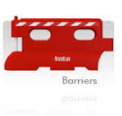
6 | UB - 1000 JERSEY |  | UB-106
 | LENGTH -1000 MM
 | HEIGHT - 800 MM
 | WIDTH - 400 MM
 | CAPACITY - 25 LTR.

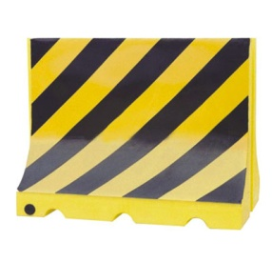
7 | UB -1000 MAGIC |  | UB-107
 | LENGTH - 1020 MM
 | HEIGHT - 800 MM
 | WIDTH - 400 MM
 | CAPACITY -22 LTR.

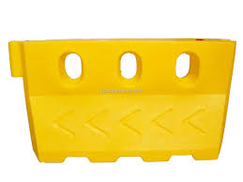
8 | UB - 1500 MAGIC |  | UB-108
 | LENGTH -1500 MM
 | HEIGHT - 1000 MM
 | WIDTH - 400 MM
 | CAPACITY - 50 LTR.

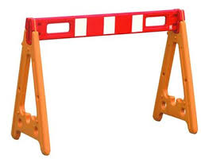
9 | UB -A- STAND |  | UB-109
 | LENGTH -1660 MM
 | HEIGHT - 820 MM
 | WIDTH - 580 MM


10 | UB - A-ASTAND- ONE |  | UB-110
 | LENGTH - 1300 MM
 | HEIGHT - 800 MM
 | WIDTH - 580 MM

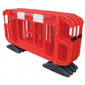
11 | UB - WINDOW 1500 |  | UB-111
 | LENGTH - 1500 MM
 | HEIGHT - 1050 MM
 | WIDTH - 430 MM
 | CAPACITY - 50 LTR.

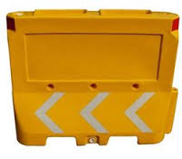
12 | UB - SMART |  | UB-112
 | LENGTH - 1000 MM
 | HEIGHT - 800 MM
 | WIDTH - 500 MM
 | CAPACITY - 20 LTR.

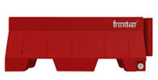
13 | UB - 1000 MINI |  | UB-113
 | LENGTH - 1000 MM
 | HEIGHT - 400 MM
 | WIDTH - 400 MM
 | CAPACITY - 15 LTR.

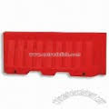
 | UB - 2000 JUMBO |  | UB-114
14 | LENGTH - 2000 MM
 | HEIGHT - 1000 MM
 | WIDTH - 540 MM
 | WATER CAPACITY - 150 LTR.


15 | UB - JUPBO PANEL |  | UB-115
 | LENGTH - 1000 MM
 | HEIGHT - 800 MM
 | WIDTH - 100 MM
 | CAPACITY - 10 LTR.

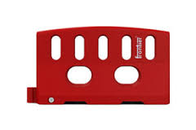
16 | UB - 1600 WINDOW |  | UB-116
 | LENGTH - 1600 MM
 | HEIGHT - 1100 MM
 | WIDTH - 430 MM
 | CAPACITY - 50 LTR.

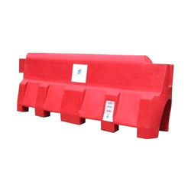
17 | UB -1600 WINDOW WITH |  | UB-117
 | WHEELS
 | LENGTH - 1600 MM
 | HEIGHT - 1200 MM
 | WIDTH - 430 MM
 | FOUR WHEELS FOR EASY
 | MOVEMENT

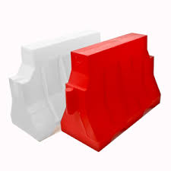
18 | UB - 1200 MINI |  | UB-118
 | LENGTH - 1290 MM
 | HEIGHT - 500 MM
 | WIDTH - 290 MM
 | CAPACITY - 15LTR.

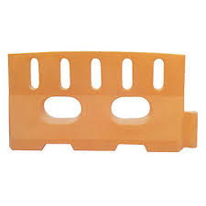
19 | UB - 2000 |  | UB-119
 | LENGTH - 2000 MM
 | HEIGHT - 1000 MM
 | WIDTH - 500 MM
 | CAPACITY - 150 LTR.

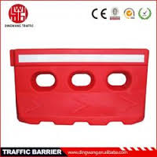
20 | UB - 2 K |  | UB-120
 | LENGTH - 2020 MM
 | HEIGHT -1000 MM
 | WIDTH - 580 MM
 | CAPACITY - 150 LTR

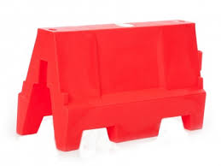
21 | UB -2 (A) |  | UB-121
 | SIZE - 1500*1000*450 MM

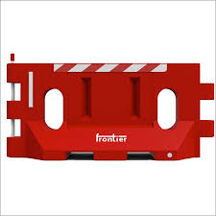
22 | UB - DA 1500 |  | UB-122
 | SIZE - 1500*1000*450 MM

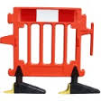
23 | UB ROTO FANCE 2000 |  | UB-123
 | SIZE - 2000*960*490 MM
 | DETACHABLE

SAFETY WALL BARRIER |  |  | UB-124
 | BARRIER JUMBO WALL
1 | LENGTH -1520 MM
 | HEIGHT -1820 MM
 | WEIGHT - 450 MM
 | WATER CAPACITY - 65 LTR.

SAFETY NOSE/BULL NOSE/LANE DIVIDER
 | LANE DIVIDER/SAFETY NOSE-SMALL -001 |  | UB-125
1 | LENGTH - 900 MM
 | HEIGHT - 900 MM
 | WIDTH - 750 MM
 | WATER CAPACITY - 150 LTR.

 | LANE DIVIDER/SAFETY NOSE-EXTENTION -002
2 | LENGTH - 950 MM |  | UB-126
 | HEIGHT - 900 MM
 | WIDTH - 750 MM
 | WATER CAPACITY -150 LTR.

 | ASN -LARGE |  | UB-127
3 | LENGTH - 1200 MM
 | WIDTH - 480 MM (FRONT)
 | 1370 MM (BACK)
 | BACK HEIGHT - 1000 MM
 | FRONT HEIGHT - 970 MM
 | WATER BALLAST - 650 LTR.

DIVIDER
 | BARRIER PARKING DIVIDER |  | UB-128
1 | LENGTH - 1500 MM
 | HEIGHT - 200 MM
 | WIDTH - 200 MM
 | WATER CAPACITY - 5 LTR.

SAFETY DRUM |  |  | UB-129
 | SAFETY DRUM
1 | HEIGHT - 930 MM
 | DIA - 590 MM

SAFETY FLOOR STAND |  |  | UB-130
 | FLOOR STAND
1

WHEEL LOCK
 | CAR WHEEL LOCK |  | UB-131
1

CAUTION TAPE
 |  |  | UB-132
1

2 |  |  | UB-134

CONVEX MIRROR
 | 100 - CMS |  | UB-134
1

 | 80 - CMS
2 |  |  | UB-135

 | 60 - CMS
3 |  |  | UB-136

 | 45 -CMS
4 |  |  | UB-137

 | FIXING ATTACHMENT
5 |  |  | UB-138

UNDER VIHICLE SEARCH MIRROR |  |  | UB-139
 | TELESCOPE MIRROR
1

 | MIRROR WITH - 4 WHEEL |  | UB-140
2

RUBBERISED SPEED BUMPS
 | URB -50R (1 : 04) |  | UB-141
1 | BLOCK SIZE : 250*350*50 MM

 | URB - 75R (1 :02)
2 | BLOCK SIZE - 500*350*75 MM |  | UB-142

 | URB - 50R1(1:02) |  | UB-143
3 | BLOCK SIZE - 500*400*50MM

 | URB - 50R2 (1:02) |  | UB-144
4 | BLOCK SIZE 500*350*50 MM

 | URB - 50R3 (1:02) |  | UB-145
5 | BLOCK SIZE - 500*350*50 MM

 | UBR - 50R4 (1:02) |  | UB-146
6 | BLOCK SIZE - 500*425*50/75 MM

PLASTIC SPEED BUMPS
 | UPB -50 (1:02) |  | UB-147
1 | BLOCK SIZE - 500*400*50 MM

 | UPB - 75 (1:02)
2 | BLOCK SIZE - 500*400*75 MM |  | UB-148

 | UPB - 50P (1:04)
3 | BLOCK SIZE - 250*350*50MM |  | UB-149

 | UPB -751 (1:04)
4 | BLOCK SIZE - 250*750*75 MM |  | UB-150

 | UPB - STRIP
5 | 500*125*25 MM |  | UB-151

 | PARKING BLOCK PVC
6 | 500*150*100 MM |  | UB-152

 | CENTER VERGE |  | UB-153
7 | 250*750*75 MM

CORNER GUARDS & PARKING BLOCKS |  |  | UB-154
 | UCG -1
1 | SIZE : 900*100 MM
 | (ROUND ANGLE)

 | UCG - 2
2 | SIZE - 550*100 MM |  | UB-155
 | (ROUND ANGLE)

 | UPB -1
3 | BLOCK SIZE : 500*160*130 MM |  | UB-156

 | UPB - 2
4 | BLOCK SIZE : 500*125*75 MM |  | UB-157

RUBBER WHEEL STOPER |  |  | UB-158
 | RUBBER WHEEL STOPER
1 | BLOCK SIZE : 280*180*120 MM

SAFETY STRIP
 | STRIP |  | UB-159
1 | BLOCK SIZE : 500*130*25 MM

END CAP
 | END CAP |  | UB-160
1 | SIZE : 200*400*75 MM

ROAD CONE

PRICE LIST

ROAD SAFETY CONES

S.NO | ITEM NAME | PICTURES | M.NAME | PACKING | PRICE
1 | UC-500 |  | UC-161 |  | 225/-
 | HEIGHT :500MM
 | WEIGHT : 1 kg
 | BASE : BLACK
 | RING FOR CONNECTING
 | CHAIN

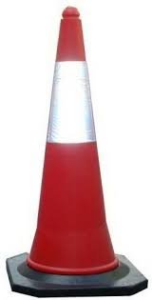
2 | UC-750H |  | UC-162 |  | 250/-
 | (HEIGHT-750MM)
 | APPROX WEIGHT-
 | 1.800gm REFLECTIVE
 | TAPE 1 PC 4" RING FOR
 | CONNECTING CHAIN


3 | UC-1000H |  | UC-163
 | (HEIGHT-1000MM)

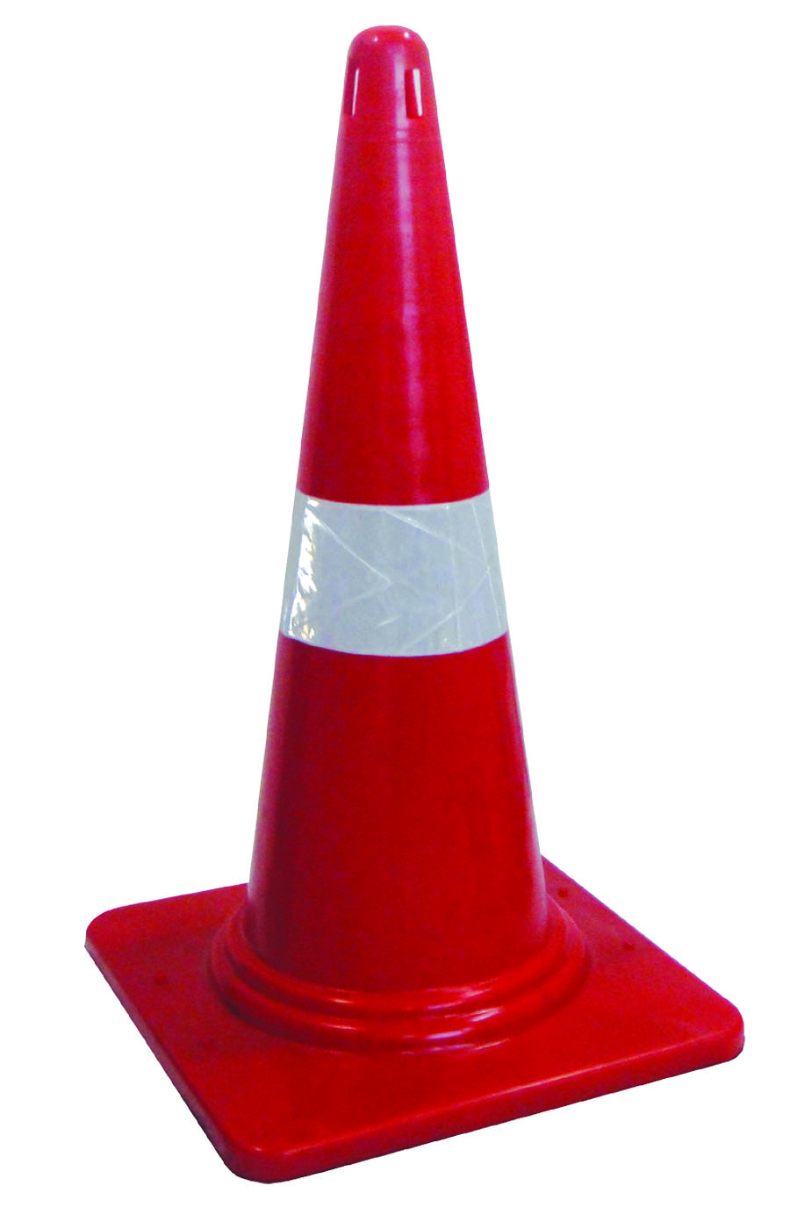
4 | UC-1000L |  | UC-164
 | HEIGHT-1000MM
 | WEIGHT-2Kg
 | SQUARE BASE-385MM
 | SLEEVES -6" OR 9"
 | WITHOUT RUBBER
 | BASE


5 | UC-1000H |  | UC-165
 | (MOULDED RUBBER
 | BASE)
 | HEIGHT - 1000MM
 | WEIGHT - 5.5Kg
 | SQUARE BASE-385MM
 | SLEEVES - 6" OR 9"
 | WITH MOULDED
 | RUBBER BASE

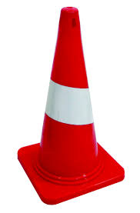
6 | UC-500L |  | UC-166
 | HEIGHT - 500MM
 | WEIGHT - 0.5Kg
 | SQUARE BASE-275MM
 | SLEEVES - 4"
 | WITHOUT RUBBER
 | BASE


7 | UC-500H |  | UC-167
 | HEIGHT - 500MM
 | WEIGHT - 1.5Kg
 | SQUARE BASE-175MM
 | SLEEVES - 4"
 | WITH RUBBER
 | BASE

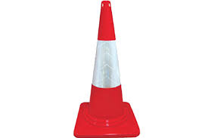
8 | UC-750L |  | UC-168
 | HEIGHT-750MM
 | WEIGHT-1.2Kg
 | SQUARE BASE-385MM
 | SLEEVES - 4"
 | WITHOUT RUBBER
 | BASE

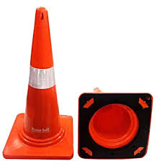
9 | UC-750H |  | UC-169
 | HEIGHT - 750MM
 | WEIGHT - 4Kg
 | SQUARE BASE-385MM
 | SLEEVES - 4"
 | WITH RUBBER BASE
 | (SCREW)

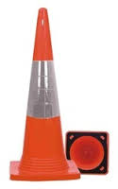
10 | UC-750H (MOULDED |  | UC-170
 | RUBBER BASE)
 | HEIGHT - 750MM
 | WEIGHT - 4 Kg
 | SQUARE BASE-385MM
 | SLEEVES - 4"
 | WITH MOULDED
 | RUBBER BASE

11

12

13

14

15

16

16

17

18

19

20

3

PLASTIK SPEED BREAKER
PRICE LIST

PLASTIC SPEED BREAKERS

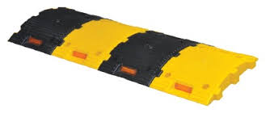
S.NO | ITEM NAME | PICTURES | M.NAME | PACKING | PRICE
1 | DIMENSIONS |  | USB-171
 | LENGTH: 350MM
 | WIDTH:250MM
 | HEIGHT:50MM
 | NO.OF REFLECTORS
 | :2, BOLT HOLES:4

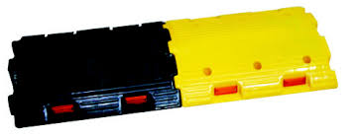
2 | DIMENSIONS |  | USB-172
 | LENGTH :500MM
 | WIDTH :400MM
 | HEIGTH : 75MM
 | NO.OF REFLECTORS
 | 4,BOLT HOLES : 6

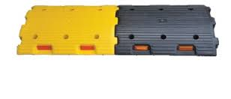
3 | DIMENSIONS |  | USB-173
 | LENGTH : 500MM
 | WIDTH : 400MM
 | HEIGTH : 50MM
 | NO.OF REFLECTORS
 | :4, BOLT HOLES : 6

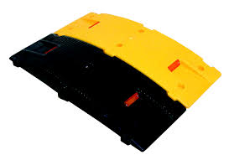
4 | DIMENSIONS |  | USB-174
 | LENGTH : 750MM
 | WIDTH : 250MM
 | HEIGTH : 75MM
 | NO.OF REFLECTORS
 | :2, BOLT HOLES : 6

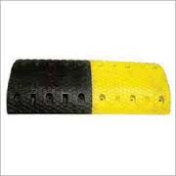
5 | DIMENSIONS |  | USB-175
 | LENGTH : 500MM
 | WIDTH : 425MM
 | HEIGTH : 75MM
 | REFLECTORS:BEAD
 | TYPE /REFLECTIVE
 | TAPE BOLT HOLES:6

6 | DIMENSIONS |  | USB-176
 | LENGTH : 500MM
 | WIDTH : 425MM
 | HEIGTH : 50MM
 | REFLECTORS:BEAD
 | TYPE /REFLECTIVE
 | TAPE BOLT HOLES:6

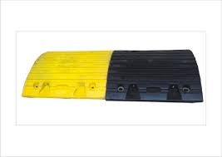
7 | DIMENSIONS |  | USB-177
 | LENGTH : 500MM
 | WIDTH : 425MM
 | HEIGTH : 50MM
 | REFLECTORS:BEAD
 | TYPE /REFLECTIVE
 | TAPE BOLT HOLES:6

8 | DIMENSIONS |  | USB-178
 | LENGTH : 500MM
 | WIDTH : 425MM
 | HEIGTH : 75MM
 | REFLECTORS:BEAD
 | TYPE /REFLECTIVE
 | TAPE BOLT HOLES:6


9 | DIMENSIONS |  | USB-179
 | LENGTH : 750MM
 | WIDTH : 125MM
 | HEIGTH : 25MM
 | BOLT HOLES : 3

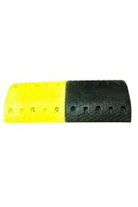
10 | USE-RUMBLER STRIPS MADE |  | USB-180
 | OF STURDY PLASTIC
 | FOR USE AS A SPEED
 | MODERATOR OR
 | LANE DIVIDER ON
 | ROADWAYS. THE
 | PRE- COLORED
 | MATERIAL (BLACK/YELLOW ) AND UV
 | STABLIZER KEEP THEM PERPETUALL
 | COLORFUL STUDDED

REFLECTIVE ROAD STUDS
PRICE LIST

REFLECTIVE ROAD STUDS

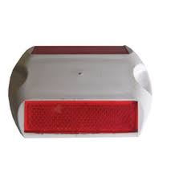
S.NO | ITEM NAME | PICTURES | M.NAME | PACKING | PRICE
1 | ROAD STUD |  | USRS-181
 | 90MM * 110MM*
 | 17MM

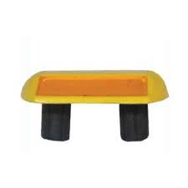
2 | ROAD STUD |  | USRS-182
 | 90MM * 110MM
 | *17MM
 | WITH 2NOS SHANK

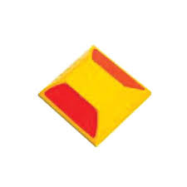
3 | ROAD STUD |  | USRS-183
 | 100MM * 100MM
 | *20MM

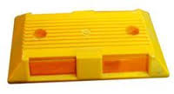
4 | ROAD STUD |  | USRS-184
 | 250MM * 150MM
 | *32MM

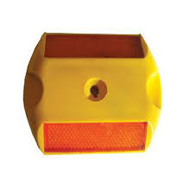
5 | ROAD STUD |  | USRS-185
 | 90MM * 10MM *
 | 17MM
 | WITH HLOE

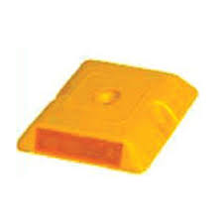
6 | ROAD STUD |  | USRS-186
 | 100MM * 100MM
 | * 18.5MM
 | WITH HOLE

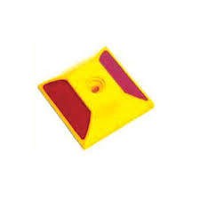
7 | ROAD STUD |  | USRS-187
 | 100MM * 100MM
 | * 20MM
 | WITH HLOE

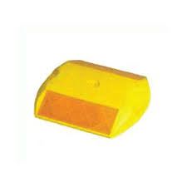
8 | ROAD STUD |  | USRS-188
 | 90MM * 110MM
 | * 17MM

9 | ROAD STUD |  | USRS-189

10 | ROAD STUD |  | USRS-190

GLASS BEAD PLASTIC ROAD STUDS
PRICE LIST

GLASS BEAD PLASTIC ROAD STUDS

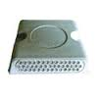
S.NO | ITEM NAME | PICTURES | M.NAME | PACKING | PRICE
1 | ROAD STUD |  | UPS-191
 | 100MM*100MM
 | *20MM
 | 43 GLASS BEADS


2 | ROAD STUD |  | UPS-192
 | 100MM*100MM
 | *20MM
 | 7*3 GLASS BEADS

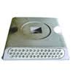
3 | ROAD STUD |  | UPS-193
 | 100MM*100MM
 | *20MM
 | 43 GLASS BEADS
 | WITH NAILS

4 | ROAD STUD |  | UPS-194
 | 100MM*100MM
 | *20MM
 | 7*3 GLASS BEADS
 | WITH NAIL

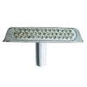
5 | ROAD STUD |  | UPS-195
 | 100MM*100MM
 | *20MM
 | 43 GLASS BEADS
 | WITH SHANK

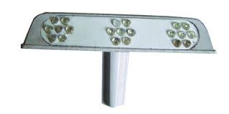
6 | ROAD STUD |  | UPS-196
 | 100MM*100MM
 | *20MM
 | 7*3 GLASS BEADS
 | WITH SHANK

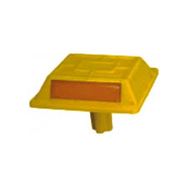
7 | ROAD STUD |  | UPS-197
 | 110MM*128MM
 | *30MM


8 | ROAD STUD |  | UPS-198
 | AVERY DENNISSIO
 | C-8 SERIES
 | 81MM*116MM
 | *17MM

9 | ROAD STUD |  | UPS-199

10 | ROAD STUD |  | UPS-200

11 | ROAD STUD

ALUMINIUM REFLECTIVE & SOLAR ST
PRICE LIST

ALUMINIUM REFLECTIVE & SOLAR STUDS

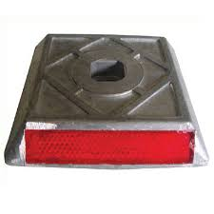
S.NO | ITEM NAME | PICTURES | M.NAME | PACKING | PRICE
1 | SOLAR STUD |  | USS-201
 | 100MM*100MM
 | *20MM
 | WITH NAIL

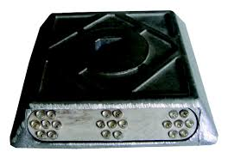
2 | SOLAR STUD |  | USS-202
 | 100MM*100MM
 | *20MM
 | WITH NAIL

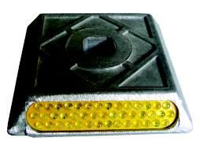
3 | SOLAR STUD |  | USS-203
 | 100MM*100MM
 | *20MM
 | WITH NAIL


4 | SOLAR STUD |  | USS-204
 | 125MM*125MM
 | *20MM
 | SOLAR ROAD STUD


5 | SOLAR STUD |  | USS-205
 | 100MM*10MM
 | *20MM
 | WITH SHANK


6 | SOLAR STUD |  | USS-206
 | 100MM*100MM
 | *20MM
 | WITH SHANK


7 | SOLAR STUD |  | USS-207
 | 100MM*100MM
 | *20MM
 | WITH SHANK


8 | SOLAR STUD |  | USS-208
 | 125MM*125MM
 | *20MM
 | SOLAR ROAD STUD


9 | SOLAR STUD |  | USS-209
 | 75MM*80MM
 | SOLAR FLASHER

10 | SOLAR STUD |  | USS-210

SPRING POST
PRICE LIST

SPRING POST OR REBOUNDABLE
DELINEATOR /CENTRE VARGE

S.NO | ITEM NAME | PICTURES | M.NAME | PACKING | PRICE


1 | SPRING POST |  | USP-211
 | POLE :80*710MM
 | BASE : 200MM
 | BOLT : 12MM*75
 | MM*3 NOS.
 | REFLECTIVE BAND
 | 75MM*2 OR 3 NOS.
 | AVAILABLE COLOR :
 | ORANGE/RED


2 | SPRING POST |  | USP-212
 | POLE :80*750MM
 | BASE : 200MM
 | BOLT : 12MM*150
 | MM* 3 NOS.
 | REFLECTIVE BAND
 | 75MM*2 OR 3 NOS.
 | AVAILABLE COLOR :
 | ORANGE/RED


3 | DIMENSIONS |  | USP-213
 | POLE : 80*300MM
 | BASE : 200MM
 | BOLT : 12MM*150
 | MM*3 NOS.
 | REFLECTIVE BAND
 | 75MM*1 NOS
 | AVAILABLE COLOR :
 | ORANGE/RED/
 | GREEN.


4 | CENTER VERGE |  | USP-214
 | LENGTH : 750MM
 | WIDTH : 250MM
 | BOLT HOLES :8 NOS
 | AVAILABLE COLOR :
 | YELLOW/BLACK

5 | SPRING POST |  | USP-215

6 |  |  | USP-216

7 |  |  | USP-217

8 |  |  | USP-218

9 |  |  | USP-219

10 |  |  | USP-220

CONVEX MIRROR
PRICE LIST

CONVEX MIRROR

S.NO | ITEM NAME | PICTURES | M.NAME | PACKING | PRICE
1 | 100 - CMS |  | UCM-221



2 | 80 - CMS |  | UCM-222


3 | 60 - CMS |  | UCM-223


4 | 45 -CMS |  | UCM-224


5 | FIXING |  | UFA-225
 | ATTACHMENT


WHEEL LOCK
1 | CAR WHEEL LOCK |  | UCW-226


CAUTION TAPE |  |  | UCT-227

1


2 |  |  | UCT-228

UNDER VIHICLE SEARCH MIRROR


1 | TELESCOPE |  | USM-229
 | MIRROR


2 | MIRROR WITH - |  | USM-230
 | 4 WHEEL

WHEEL CHOWK
PRICE LIST

BIG WHEEL CHOWK


S.NO | ITEM NAME | IMAGE | M.NAME | PACKING | PRICE
1 | WHEEL CHOWK |  | USWC-241 | 1 PS | 2300/-
 | UPPER LENGTH -17 "
 | LOWER LENGTH - 15"
 | WIDTH -9"
 | APPROX WEIGTH -
 | 13 KG
 | AVAILABLE COLOR :
 | BLACK

SMALL WHEEL CHOWK


S.NO | ITEM NAME | IMAGE | M.NAME | PACKING | PRICE
1 | WHEEL CHOWK |  | USWC-242 | 1 PS | 800/-
 | UPPER LENGTH -9 "
 | LOWER LENGTH - 10"
 | WIDTH -6"
 | APPROX WEIGTH -
 | 3 KG
 | AVAILABLE COLOR :
 | BLACK

PLASTIC WHEEL CHOWK

